Sheet1
name | Daemon Sentinel

frame | Heavy
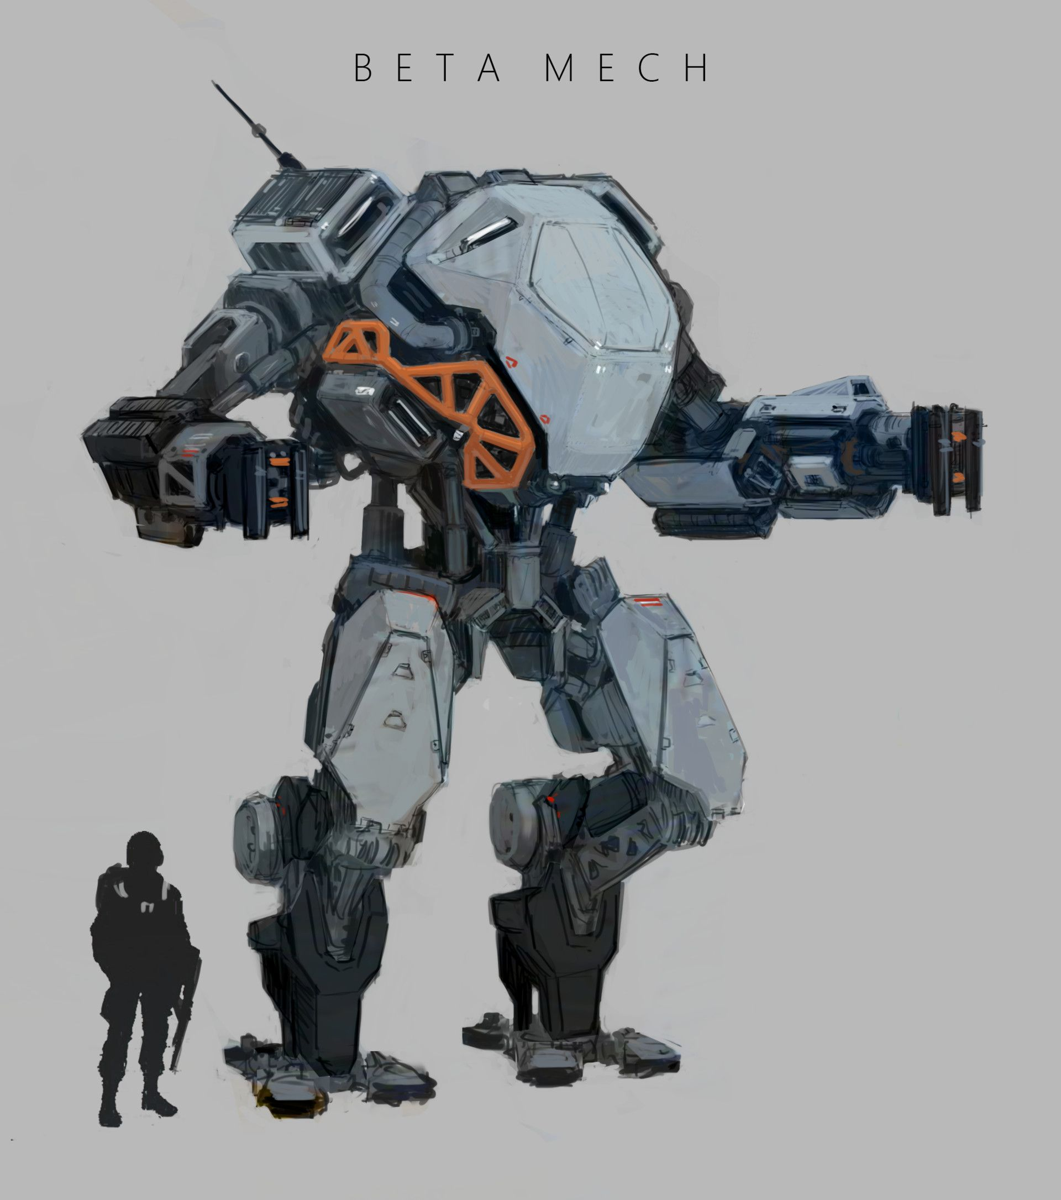 |  |  |  |  |  | symbol |  | AM
 |  |  |  |  |  |  |  | 7
 |  |  |  |  |  | pts | 17

 |  |  |  |  |  | MV | 1

 |  |  |  |  |  | EG | 1

 |  |  |  |  |  | special
 |  |  |  |  |  | -

Power Drill |  | EC | DM | RG | pts | Energy Siphon |  |  | EC | DM | RG | pts
Weapon |  | 2 | 2 | 1 | 4 | Support Active |  |  | - | - | - | 2
Both target and active Mech gain Stunned tokens. |  |  |  |  |  | Steals up to 2 Energy from a Mech in Range 1.

Flamer |  | EC | DM | RG | pts | Rocket Launcher |  |  | EC | DM | RG | pts
Weapon |  | 1 | 1 | 2 | 2 | Weapon |  |  | - | 2 | 4 | 4
Deals damage to all Mechs in a triangle shape (stopping where there is a change in height) with Range 2. Gives the Mechs damaged in that way a Burning counter. |  |  |  |  |  | -

 |  | EC | DM | RG | pts |  |  |  | EC | DM | RG | pts

